MCQ(30)
1. What is the keyboard shortcut key to lock cell references in a formula? |  |  |  |  | Write here all answer opation | Answer
 |  |  |  |  | Q.1 | F4
A | CTRL |  |  |  | Q.2 | ALT and S
B | ALT |  |  | Answer | Q.3 | =SUMPRODUCT(C2:C5,B2:B5)
C | F2 |  |  |  | Q.4 | =EOMONTH($B$2,B1)
D | F4 |  |  |  | Q.5 | D) ROUND(A1,1)
 |  |  |  |  | Q.6 | A)F2
 |  |  |  |  | Q.7 | RANDBETWEEN (BOTTOM, TOP)
 |  |  |  |  | Q.8 | A. Average (Number1, Number2, Mumber3, Number….)
 |  |  |  |  | Q.9 | A. Now ()
2. What are the shortcut keys for AutoSum?* |  |  |  |  | Q.10 | a) The numbers are formatted as text.
 |  |  |  |  | Q.11 | A. Ctrl + Shift + ;
A | ALT and S |  |  |  | Q.12 | B. Ctrl + A
B | CTRL and S |  |  |  | Q.13 | B. Google Sheets
C | ALT and = |  |  | Answer | Q.14 | A. 1985
D | CTRL and = |  |  |  | Q.15 | D. =
 |  |  |  |  | Q.16 | (a) The FIND function is case sensitive and the SEARCH function is not
 |  |  |  |  | Q.17 | (c) .xlsm
3. Which of the following is the correct formula to calculate the weighted average score in cell C8 as shown below?* |  |  |  |  | Q.18 | (b) A1
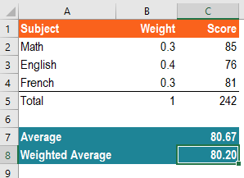
 |  |  |  |  | Q.19 | (a) Ctrl+Z
 |  |  |  |  | Q.20 | (b) Hide the selected column
 |  |  |  |  | Q.21 | (d) both a&b
 |  |  |  |  | Q.22 | (a) Ctrl+V
 |  |  |  |  | Q.23 | (c) $F$15
 |  |  |  |  | Q.24 | (d) $F15
 |  |  |  |  | Q.25 | (a) Home Tab
 |  |  |  |  | Q.26 | (a) Click on the row number
 |  |  |  |  | Q.27 | The COUNT function is used to count all the cells containing numbers or dates. The COUNTA function is used to count all the cells that are not empty.
 |  |  |  |  | Q.28 | A. =SUM(C10,G10,G9)
 |  |  |  |  | Q.29 | D. The numbers are formatted as text.
 |  |  |  |  | Q.30 | a. Now ()

A | =SUMPRODUCT(C2:C5,B2:B5)
B | =SUMPRODUCT(C2:C4,B2:B4)
C | =AVERAGE(B2:B4) |  |  | Answer
D | =AVERAGE(C2:C4)

4. What formula can be used in cell G2 to create a dynamic date which shows the last day of each month?

A | =EOMONTH($B$2,B1)
B | =EOMONTH($B$2,G1)
C | =EOMONTH($B$2,C1) |  | Answer
D | =MONTH($G$2)

5. Assuming cell A1 is displaying the number "12000.7789". What formula should be used to round this number to the closest integer?

A | MROUND(A1,100)
B | MROUND(A1,10) |  | Answer
C | ROUND(A1,0)
D | ROUND(A1,1)

6. What are the keyboard shortcut keys to edit formula in a cell?

A | F2
B | F4 |  | Answer
C | CTRL + 1
D | CTRL + F

7.What is the formula for inserting the Random numbers in excel?

A | RAND ()
B | RANDBETWEEN (BOTTOM, TOP) |  | Answer
C | RANDBETWEEN (TOP, BOTTOM)
D | RAND (TOP, BOTTOM)

8.What is the formula for finding the average of numbers?

A. Average (Number1, Number2, Mumber3, Number….)
B. Average (Sum Of Numbers) |  |  |  | Answer
C. Average (Number1 + Number 2 + Number 3….)
D. Average (Value1, Value2, Value3…)

9. How to find the current date and time in excel?

A. Now ()
B. Current Date () |  |  |  | Answer
C. Date Time ()
D. Today ()

10. What is most likely the explanation for the green rectangles in Column C?

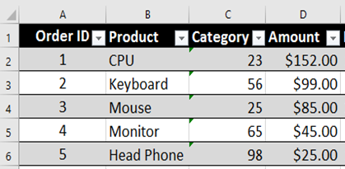
Choose One: |  |  | Answer
a) The numbers are formatted as text.
b) A value used in the formula is of the wrong data type.
c) A value is not available to the formula or function.
d) The formulas in the cells differ from one another in the same column.

11. What is the shortcut for entering the current time?

A. Ctrl + Shift + ;
B. Ctrl + Shift + : |  | Answer
C. Ctrl + :
D. Ctrl + ;

12. What is the shortcut for selecting the entire column?

A. Ctrl + Spacebar
B. Ctrl + A |  | Answer
C. Ctrl + Q
D. Alt + Spacebar

13.________is the best alternative to MS Excel offered by Google Inc.

A. Google Slides
B. Google Sheets |  | Answer
C. Google Files
D. Google Keep

14.Microsoft Excel was first time launched in ______ by the Microsoft Corporation

A. 1985
B. 1991 |  | Answer
C. 1995
D. 1998

15.Formulas in Excel start with ________

A. /
B. f |  | Answer
C. –
D. =

16. The difference between the SEARCH and FIND function is -

(a) The FIND function is case sensitive and the SEARCH function is not
(b) The SEARCH function is case sensitive and the FIND function is not |  |  |  | Answer
(c) There is no difference between them, only for compatibility, both are listed
(d) None of these

17. If there is a VBA code in your Excel file, then you should save the file as ____ format -

(a) .xlsx
(b) .xls |  | Answer
(c) .xlsm
(d) .csv

18. The first cell of the Excel Workbook is -

(a) AA
(b) A1 |  | Answer
(c) a1
(d) A

19. How do you undo an action in Excel?

(a) Ctrl+Z
(b) Ctrl+Y |  | Answer
(c) Ctrl+P
(d) Ctrl+K

20. If you press Ctrl+0 it will -

(a) Hide the selected row
(b) Hide the selected column
(c) Open Cell Format dialog box |  | Answer
(d) Activate Format Painter feature

21. To insert the current date without time, you can -

(a) Press Ctrl+;
(b) Use TODAY Function |  | Answer
(c) Use NOW Function
(d) both a&b

22. How do you paste a cell in Excel?

(a) Ctrl+V
(b) Ctrl+P |  | Answer
(c) Ctrl+K
(d) Ctrl+X

23. Which of the following is an absolute cell reference?

(a) F15
(b) F$15
(c) $F$15 |  | Answer
(d) $F15

24. Which of the following is a mixed cell reference?

(a) F15
(b) $F$16 |  | Answer
(c) $F$15
(d) $F15

25. Different types of Font Formatting are available in the -

(a) Home Tab
(b) Insert Tab |  | Answer
(c) Data Tab
(d) Format Tab

26.How do you select an entire row in Excel?

(a) Click on the row number |  | Answer
(b) Press Ctrl+Alt+3
(c) Press Alt+Space Bar
(d) Press Shift+Dot

27. What is COUNT and COUNTA?

Answer

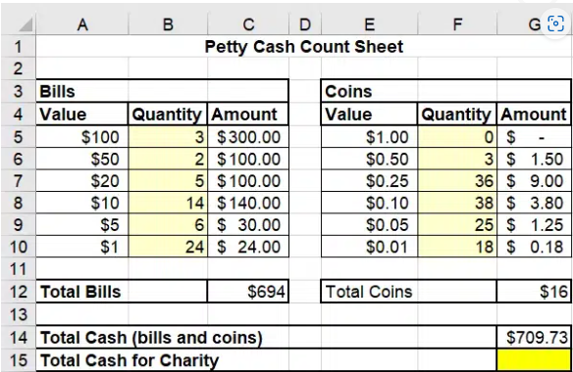
28. Each day, $1 bills and $0.01 and $0.05 coins are given to charity. Which function enables filling cell G15 with the correct number?

A. =SUM(C10,G10,G9)
B. =SUMIF(C10,G10,G9)
C. =COUNT(C10,G10,G9) |  | Answer
D. =A10+E10+E9

29. What is probably the reason for the error markings in column C?

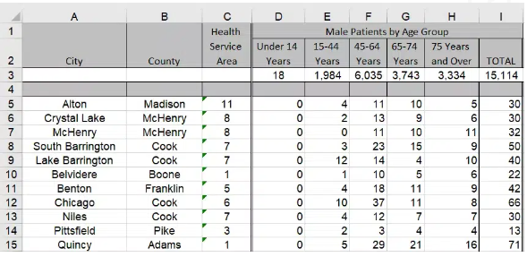

A. A value is not available to the formula or function.
B. A value used in the formula is of the wrong data type.
C. The formulas in the cells differ from one another in the same column.
D. The numbers are formatted as text.
 |  | Answer

30. How to find the current date and time in excel?

a. Now ()
b. Current date () |  | Answer
c. Date time ()
d. Today ()

Q.8
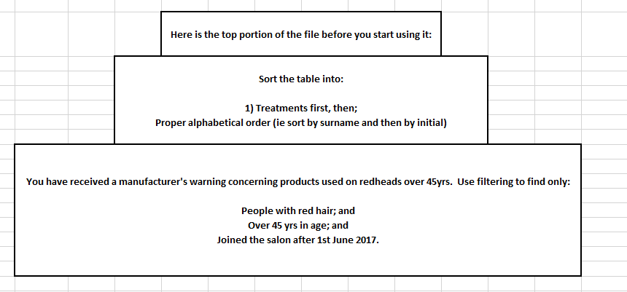
Fifty Shades Hair Design Clients

Customer ID | Usual Treatment | Surname | Initial | Age Category | Eye Colour | First Visit Date | Natural Hair Colour
FS-783A66 | Tints | Addison | H | 10-20 | Hazel | 2014-05-27 | Red
FS-783A67 | Roots | Andrews | F | 30-45 | Blue | 2017-08-07 | Brunette
FS-783A68 | Balayage | Andrews | J | 45-60 | Green | 2016-10-29 | Red
FS-783A69 | Roots | Andrews | L | 45-60 | Brown | 2016-03-03 | Brunette
FS-783A70 | Men's balayage | Beardsley | D | 45-60 | Blue | 2017-03-16 | Brunette
FS-783A71 | Balayage | Beardsley | W | 45-60 | Hazel | 2016-02-14 | Red
FS-783A72 | Full head colour | Blunt | E | 60+ | Hazel | 2017-05-22 | Grey
FS-783A73 | Tints | Brown | G | 45-60 | Green | 2017-05-19 | Red
FS-783A74 | Men's texturising and blow dry | Brown | R | 10-20 | Brown | 2015-08-16 | Brunette
FS-783A75 | Half head Highlights | Brown | W | 45-60 | Blue | 2017-12-11 | Blonde
FS-783A76 | Tints | Bruce | R | 45-60 | Brown | 2017-04-08 | Blonde
FS-783A77 | Full head colour | Bryson | J | 45-60 | Blue | 2016-04-29 | Grey
FS-783A78 | Men's colour and finish | Cooke | F | 30-45 | Green | 2017-02-15 | Brunette
FS-783A79 | Roots | Davies | A | 30-45 | Blue | 2014-12-13 | Brunette
FS-783A80 | Ombre | Davies | C | 10-20 | Green | 2015-06-04 | Brunette
FS-783A81 | Tints | Davies | T | 60+ | Blue | 2017-08-11 | Blonde
FS-783A82 | Ombre | Davies | W | 45-60 | Blue | 2012-08-11 | Red
FS-783A83 | Roots | Davis | S | 60+ | Blue | 2017-08-14 | Red | Natural Hair Color | Age Category | First Visit Date
FS-783A84 | Roots | Douglas | I | 60+ | Green | 2016-11-11 | Blonde | red | >45 | >01-06-2014
FS-783A85 | Crew cut | Douglas | T | 20-30 | Blue | 2015-06-04 | Blonde
FS-783A86 | Crew cut | Drake | S | 60+ | Blue | 2017-08-14 | Grey
FS-783A87 | Re-style consultancy | Duffy | T | 45-60 | Brown | 2017-08-22 | Blonde
FS-783A88 | Full head colour | Farrah-Fowler | D | 60+ | Hazel | 2015-11-06 | Grey
FS-783A89 | Balayage | Flint | D | 45-60 | Green | 2016-01-19 | Red
FS-783A90 | Tints | Flint | D | 45-60 | Blue | 2017-05-19 | Blonde |  | FS-783A66 | Tints | Addison | H | 10-20 | Hazel | 2014-05-27 | Red
FS-783A91 | Full head colour | Fowler | L | 45-60 | Blue | 2014-02-05 | Blonde
FS-783A92 | Full head colour | Fowler | W | 30-45 | Blue | 2014-02-05 | Blonde
FS-783A93 | Tints | Fox | C | 45-60 | Blue | 2014-02-05 | Blonde
FS-783A94 | Re-style consultancy | Fox | C | 20-30 | Green | 2012-04-15 | Red
FS-783A95 | Men's fade cut | Fry | U | 45-60 | Hazel | 2015-10-31 | Blonde
FS-783A96 | Half head Highlights | Grainer | H | 30-45 | Blue | 2016-01-19 | Blonde
FS-783A97 | Men's grey coverage, cut and style | Grainger | F | 60+ | Blue | 2016-11-11 | Grey
FS-783A98 | Tints | Grant | S | 20-30 | Brown | 2017-04-23 | Brunette
FS-783A99 | Crew cut | Greggson | Z | 45-60 | Brown | 2015-06-22 | Red
FS-783A100 | Tints | Harris | M | 60+ | Blue | 2017-04-23 | Brunette
FS-783A101 | Half head Highlights | Harris | T | 45-60 | Brown | 2018-01-09 | Brunette
FS-783A102 | Crew cut | Harris | Y | 20-30 | Blue | 2017-05-19 | Blonde
FS-783A103 | Full head colour | Heath | Y | 45-60 | Brown | 2014-02-05 | Blonde
FS-783A104 | Full head Highlights | Hewitt | O | 45-60 | Brown | 2014-05-27 | Brunette
FS-783A105 | Men's colour and finish | Howie | K | 20-30 | Blue | 2016-10-29 | Blonde
FS-783A106 | Tints | Hunt | M | 0-10 | Blue | 2016-01-18 | Blonde
FS-783A107 | Full head colour | Hunt | S | 45-60 | Hazel | 2017-05-19 | Grey
FS-783A108 | Tints | Jalpur | C | 30-45 | Blue | 2015-08-16 | Blonde
FS-783A109 | Tints | Jalpur | D | 60+ | Blue | 2017-05-19 | Grey
FS-783A110 | Tints | James | W | 60+ | Brown | 2016-03-03 | Grey
FS-783A111 | Roots | Johnson | R | 60+ | Blue | 2013-05-30 | Brunette
FS-783A112 | Balayage | Johnstone | L | 60+ | Brown | 2018-01-05 | Grey
FS-783A113 | Re-style consultancy | Jones | M | 45-60 | Blue | 2013-08-11 | Blonde
FS-783A114 | Men's texturising and blow dry | Kilkenny | R | 60+ | Brown | 2016-08-15 | Brunette
FS-783A115 | Roots | Kramer | H | 30-45 | Green | 2016-10-29 | Grey
FS-783A116 | Ombre | Lance | P | 20-30 | Brown | 2018-02-11 | Blonde
FS-783A117 | Tints | Lovatt | W | 20-30 | Green | 2014-05-16 | Blonde
FS-783A118 | Men's grey coverage, cut and style | Manson | L | 10-20 | Blue | 2009-02-05 | Red
FS-783A119 | Tints | Manson | P | 30-45 | Brown | 2012-03-08 | Red
FS-783A120 | Ombre | McBaine | S | 45-60 | Blue | 2017-03-11 | Blonde
FS-783A121 | Re-style consultancy | McBaine | V | 45-60 | Hazel | 2012-03-08 | Blonde
FS-783A122 | Tints | McTavish | F | 30-45 | Green | 2015-08-16 | Brunette
FS-783A123 | Half head Highlights | McTavish | P | 60+ | Green | 2015-06-04 | Brunette
FS-783A124 | Ombre | Mee | C | 45-60 | Hazel | 2012-03-08 | Blonde
FS-783A125 | Tints | Minshull | W | 45-60 | Blue | 2016-10-29 | Grey
FS-783A126 | Tints | Minton | D | 45-60 | Hazel | 2012-03-08 | Red
FS-783A127 | Re-style consultancy | Monks | S | 20-30 | Blue | 2017-11-26 | Blonde
FS-783A128 | Roots | O'Brien | T | 45-60 | Green | 2017-06-23 | Red
FS-783A129 | Men's balayage | O'Leary | C | 20-30 | Blue | 2017-12-11 | Blonde
FS-783A130 | Men's colour and finish | O'Leary | L | 20-30 | Green | 2014-02-05 | Red
FS-783A131 | Roots | Oliver | B | 30-45 | Brown | 2015-07-19 | Red
FS-783A132 | Full head colour | Oliver | H | 20-30 | Brown | 2017-04-08 | Red
FS-783A133 | Crew cut | Olson | A | 10-20 | Blue | 2013-07-21 | Blonde
FS-783A134 | Tints | O'Roarke | R | 45-60 | Blue | 2017-05-22 | Brunette
FS-783A135 | Crew cut | O'Shea | W | 20-30 | Brown | 2018-01-23 | Brunette
FS-783A136 | Re-style consultancy | Palmer | E | 60+ | Blue | 2017-05-19 | Grey
FS-783A137 | Men's texturising and blow dry | Paynes | H | 60+ | Blue | 2016-03-03 | Red
FS-783A138 | Tints | Pearce | G | 30-45 | Blue | 2015-01-23 | Brunette
FS-783A139 | Roots | Phillips | F | 30-45 | Brown | 2012-09-23 | Brunette
FS-783A140 | Full head colour | Phillips | G | 30-45 | Hazel | 2016-10-29 | Blonde
FS-783A141 | Tints | Phillips | T | 20-30 | Hazel | 2012-08-11 | Brunette
FS-783A142 | Men's fade cut | Pinkerton | B | 45-60 | Blue | 2015-06-04 | Blonde
FS-783A143 | Men's fade cut | Pinkerton | L | 45-60 | Hazel | 2016-11-11 | Red
FS-783A144 | Men's fade cut | Plowright | M | 30-45 | Blue | 2017-08-09 | Blonde
FS-783A145 | Ombre | Price | K | 45-60 | Blue | 2013-09-19 | Red
FS-783A146 | Tints | Pulman | V | 30-45 | Blue | 2017-05-19 | Blonde
FS-783A147 | Tints | Quiverly | B | 45-60 | Brown | 2014-12-13 | Grey
FS-783A148 | Roots | Rayner | D | 45-60 | Hazel | 2014-02-05 | Red
FS-783A149 | Roots | Rayner | G | 60+ | Brown | 2018-02-11 | Blonde
FS-783A150 | Ombre | Rayner | G | 60+ | Brown | 2017-05-19 | Red
FS-783A151 | Full head colour | Rolson | G | 45-60 | Brown | 2017-12-11 | Blonde
FS-783A152 | Full head colour | Roper | Y | 30-45 | Brown | 2013-12-19 | Blonde
FS-783A153 | Tints | Samuels | L | 45-60 | Green | 2018-02-08 | Red
FS-783A154 | Tints | Shepherd | M | 45-60 | Brown | 2016-01-19 | Brunette
FS-783A155 | Full head colour | Shurma | F | 20-30 | Brown | 2014-02-05 | Blonde
FS-783A156 | Re-style consultancy | Smith | B | 20-30 | Brown | 2015-08-22 | Brunette
FS-783A157 | Tints | Smith | L | 0-10 | Blue | 2017-04-23 | Brunette
FS-783A158 | Balayage | Smith | V | 45-60 | Blue | 2017-11-16 | Blonde
FS-783A159 | Men's balayage | Smitherton | W | 20-30 | Blue | 2017-11-03 | Blonde
FS-783A160 | Men's texturising and blow dry | Smitherton-Blythe | A | 60+ | Blue | 2017-04-09 | Blonde
FS-783A161 | Roots | Stanton | E | 45-60 | Blue | 2017-08-14 | Brunette
FS-783A162 | Crew cut | Stewart | D | 30-45 | Brown | 2016-02-14 | Brunette
FS-783A163 | Roots | Taylor | F | 60+ | Blue | 2015-06-04 | Blonde
FS-783A164 | Re-style consultancy | Taylor | I | 30-45 | Blue | 2017-09-16 | Blonde
FS-783A165 | Tints | Taylor | J | 60+ | Blue | 2012-03-08 | Grey
FS-783A166 | Crew cut | Thatcher | S | 60+ | Hazel | 2018-01-23 | Grey
FS-783A167 | Crew cut | Tranter | T | 0-10 | Blue | 2014-02-05 | Blonde
FS-783A168 | Full head colour | Trent | K | 45-60 | Brown | 2017-04-23 | Brunette
FS-783A169 | Roots | Vickery | T | 20-30 | Blue | 2015-08-16 | Brunette
FS-783A170 | Roots | West | A | 45-60 | Green | 2017-08-09 | Red
FS-783A171 | Men's fade cut | West | D | 45-60 | Blue | 2016-01-19 | Brunette
FS-783A172 | Balayage | Westley | Y | 45-60 | Hazel | 2012-01-19 | Blonde
FS-783A173 | Full head colour | Williams | D | 45-60 | Green | 2016-11-11 | Blonde
FS-783A174 | Balayage | Williams | R | 60+ | Green | 2017-12-11 | Red
FS-783A175 | Tints | Williams | T | 0-10 | Blue | 2018-01-04 | Blonde
FS-783A176 | Crew cut | Williams | V | 60+ | Blue | 2013-03-11 | Blonde
FS-783A177 | Ombre | Williams-Bryce | E | 10-20 | Brown | 2016-09-01 | Red
FS-783A178 | Men's balayage | Williamson | N | 30-45 | Green | 2012-02-14 | Brunette
FS-783A179 | Full head Highlights | Wilson | K | 20-30 | Brown | 2016-03-03 | Brunette
FS-783A180 | Men's colour and finish | Wilson | Y | 60+ | Blue | 2015-10-18 | Grey
FS-783A181 | Ombre | Wood | P | 10-20 | Hazel | 2017-08-14 | Blonde
FS-783A182 | Full head colour | Young | C | 60+ | Brown | 2015-08-22 | Brunette

